README
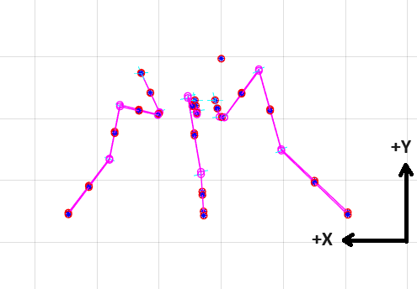
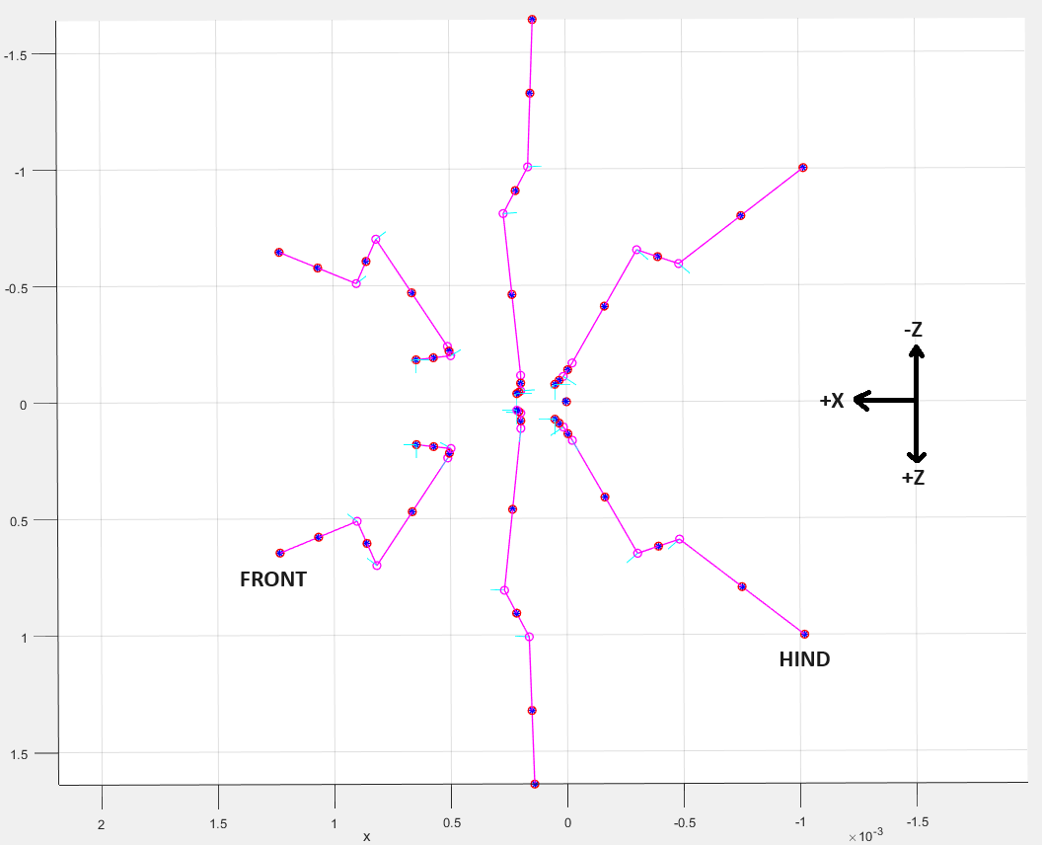
SOLVER PARAMETERS |  | COORDINATE FRAME
Parameter | Value
Parallel joint stiffness (k_spring) | 3.8e-8 Nm/rad
Swing period (T_swing) | 0.1 s
Stance duty cycle | 0.6
Contralateral leg phase difference (phi_C) | 0.5
Ipsalateral leg phase difference (phi_I) | 0.5
Step Height | 0.5 mm
Body Height | 1.3 mm
Max body translation per step | 0.6mm

